J2765
 | TEO = 3°C |  |  |  |  |  |  |  |  |  |  |  |  |  |  |  |  |  |  |  |  |  |  |  |  |  |  | TEO = 10°C |  |  |  |  |  |  |  |  |  |  |  |  |  |  | with CS-Cooling Performance
 | Air-Side | I70 | I60 | I45 | L45 | M45 | H45 | I50a | I35a | L35a | M35a | H35a | I40a | I25a | L25a | M25a | H25a | I40c | I25c | L25c | M25c | H25c | I30 | I15 | L15 | M15 | H15 | I40a | I25a | L25a | M25a | H25a | I40c | I25c | L25c | M25c | H25c | I30 | I15 | L15 | M15 | H15 | without CS-Cooling Performance
with CSV | Cooling Performance(W)_Air | 3059 | 3415 | 4056 | 5329 | 5954 | 6351 | 4195 | 4785 | 6283 | 6859 | 7310 | 3955 | 4448 | 5099 | 5027 | 4996 | 3321 | 3430 | 3477 | 3407 | 3438 | 2346 | 2324 | 2332 | 2317 | 2319 | 3454 | 3497 | 3455 | 3452 | 3472 | 2079 | 1993 | 1997 | 2047 | 2029 | 626 | 665 | 636 | 668 | 632 | with CS-COP[Air]
 | Comp Net Power(W) | 1706 | 1545 | 1357 | 2518 | 3234 | 4378 | 1501 | 1288 | 2492 | 3205 | 4410 | 1216 | 1030 | 1674 | 1649 | 1638 | 1120 | 885 | 951 | 934 | 1027 | 745 | 472 | 553 | 578 | 674 | 946 | 637 | 650 | 724 | 888 | 577 | 364 | 346 | 447 | 510 | 176 | 102 | 147 | 176 | 261 | without CS-COP[Air]
 | COP_air | 1.79 | 2.21 | 2.99 | 2.12 | 1.84 | 1.45 | 2.79 | 3.72 | 2.52 | 2.14 | 1.66 | 3.25 | 4.32 | 3.05 | 3.05 | 3.05 | 2.97 | 3.87 | 3.66 | 3.65 | 3.35 | 3.15 | 4.92 | 4.22 | 4.01 | 3.44 | 3.65 | 5.49 | 5.32 | 4.77 | 3.91 | 3.60 | 5.48 | 5.77 | 4.58 | 3.98 | 3.56 | 6.55 | 4.33 | 3.80 | 2.42 | with CS-Comp Power
without CSV | Cooling Performance_Air | 2934 | 3290 | 3853 | 5255 | 5793 | 6122 | 4044 | 4647 | 6209 | 6698 | 7135 | 3942 | 4411 | 5097 | 5083 | 5089 | 3268 | 3489 | 3435 | 3469 | 3424 | 2302 | 2293 | 2400 | 2353 | 2315 | 3494 | 3465 | 3479 | 3513 | 3446 | 2048 | 2030 | 2006 | 2044 | 2032 | 630 | 662 | 648 | 652 | 649 | without CS-Comp Power
 | Comp Net Power(W) | 1761 | 1612 | 1413 | 2627 | 3324 | 4404 | 1553 | 1346 | 2626 | 3310 | 4505 | 1287 | 1089 | 1825 | 1799 | 2035 | 1159 | 997 | 1023 | 1015 | 1200 | 819 | 514 | 596 | 595 | 704 | 1072 | 765 | 787 | 910 | 1002 | 670 | 402 | 426 | 474 | 574 | 193 | 107 | 164 | 184 | 288
 | COP_air | 1.67 | 2.04 | 2.73 | 2.00 | 1.74 | 1.39 | 2.60 | 3.45 | 2.36 | 2.02 | 1.58 | 3.06 | 4.05 | 2.79 | 2.83 | 2.50 | 2.82 | 3.50 | 3.36 | 3.42 | 2.85 | 2.81 | 4.46 | 4.03 | 3.95 | 3.29 | 3.26 | 4.53 | 4.42 | 3.86 | 3.44 | 3.05 | 5.05 | 4.71 | 4.32 | 3.54 | 3.27 | 6.20 | 3.95 | 3.55 | 2.25

J2765 bench testing results

J2766 Weighting
 |  | Phoenix | Houston | Boston | Chicago | Fargo | WDC | Los Angeles | San Francisco | Sacramento | San Diego | Miami
[%] | Weight | 2.9% | 13.2% | 8.1% | 24.0% | 10.3% | 13.6% | 7.6% | 1.5% | 0.9% | 2.5% | 15.4% | 100.0%
Base (A) | w/o CSV | 28.5 | 24.4 | 12.6 | 10.1 | 7.4 | 21.3 | 13.8 | 11.1 | 19.1 | 15.5 | 25.9
 | w/o CSV weighted | 0.8 | 3.2 | 1.0 | 2.4 | 0.8 | 2.9 | 1.0 | 0.2 | 0.2 | 0.4 | 4.0 | 16.9
Tech (B) | w/ CSV | 26.8 | 22.4 | 11.6 | 9.3 | 6.9 | 19.6 | 12.7 | 10.4 | 17.8 | 14.1 | 23.4
 | w/ CSV weighted | 0.8 | 3.0 | 0.9 | 2.2 | 0.7 | 2.7 | 1.0 | 0.2 | 0.2 | 0.4 | 3.6 | 15.5
 |  |  |  |  |  |  |  |  |  |  |  | A/B Δ | 1.4

J2766 LCCP results - Indirect CO2 emissions per city

LCCP weighting

AC17
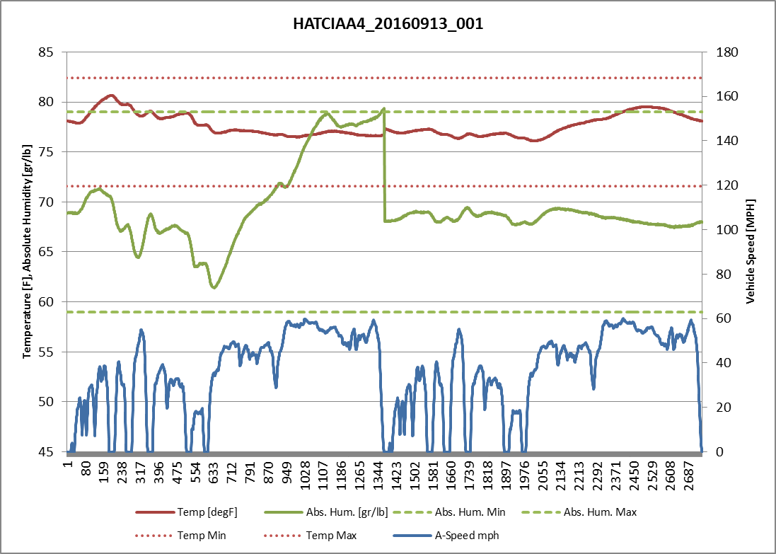
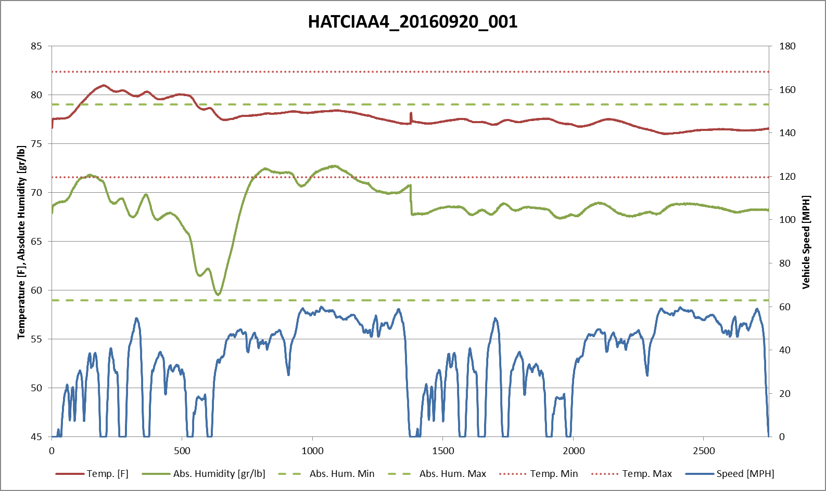
Test ID | Test Start | Test Finish | Condition | Vehicle | Phase 1 | Phase 2 | Phase 3 | Phase 4 | A/C on | A/C off | Δ | %
HATCIAA4_20160913_001 | 9/13/16 | 9/13/16 | B - w/CSV | LF7A4835 | 326.1 | 192.0 | 293.8 | 186.4 | 259.0 | 240.1 | 19.0 | 7.9%
HATCIAA4_20160920_001 | 9/20/16 | 9/20/16 | A - w/o CSV | LF7A4835 | 341.9 | 197.2 | 296.9 | 185.8 | 269.6 | 241.4 | 28.2 | 11.7%

 |  |  |  |  |  |  |  |  |  |  | 9.3 | 3.8%

