P-Chem
Physical and Chemical Properties for D4 Used in Consumer Modeling |  |  |  |  | Common Materials | Dp (m2/hr) | Kma | Chemical Migration Partial Calculation
D4 CAS 556-67-2 |  |  |  |  | Carpet | 5.79E-10 | 9.00E+04 | -3.20E+00
Property or Endpoint | Selected Value | Unit |  |  | Fabric | 5.79E-10 | 9.01E+03 | -3.20E+00
Molecular weight | 296.61 | g/mol |  |  | PVC | 1.41E-11 | 3.07E+06 | -4.57E+00
Vapor pressure | 9.34E-01 | mm Hg at 25 °C |  |  | Rigid Plastics | 1.05E-13 | 5.19E+05 | -5.93E+00
Water solubility | 0.056 | mg/L at 23 °C |  |  | Flexible Plastics | 1.02E-11 | 1.11E+05 | -4.20E+00
Octanol/water partition coefficient (log Kow) | 6.98 | at 21.7 °C |  |  | Rubbers | 5.42E-09 | 3.07E+06 | -2.69E+00
Henry’s Law constant | 1.18E+01 | atm·m3/mol at 21.7 °C |  |  | Low Density Foam (Packaging) | 2.08E-10 | 1.16E+05 | -3.72E+00
Octanol/air partition coefficient (log KOA) | 5.211 | at 21.7 °C |  |  | High Density Foam (matresses, insulation) | 2.19E-11 | 1.87E+02 | -4.43E+00
 |  |  |  |  | Wood | 8.82E-10 | 9.97E+04 | -3.26E+00
Source of Pchem Information: RE fate module |  | 0.0005103 | 0.151360083 | 0.543356883 | Pressed Wood | 1.13E-08 | 2.25E+04 | -2.45E+00
 |  | -0.0005103 | -0.151360083 | 0.511327917 | Paper | 1.35E-11 | 1.36E+03 | -4.59E+00
 |  |  |  |  | Gypsum Board | 7.81E-09 | 1.84E+04 | -2.57E+00 |  | CEM estimated Gas Phase Mass Transfer Coefficient (h)
 |  |  |  |  | CEM Estimated Value (Material Agnostic) | 2.71E-11 | 7.21E+03 | N/A |  | 1.84

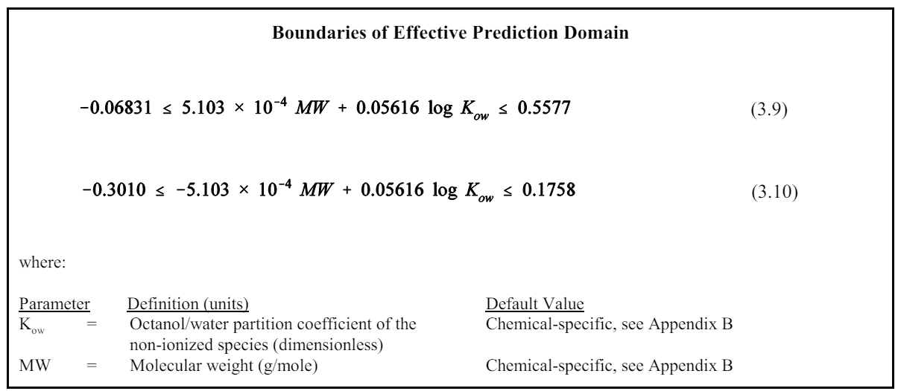
Internal Diffusion Coefficient used to describe chemical migration through solids
Calculation of Internal Diffusion Coefficient based on Huang et al. (2017) |  |  |  |  | Calculations for Solid-Air Partitioning Coefficient |  |  |  |  |  | Calculations for chemical Migration Rate to Saliva based on Aurisano et al. (2022)
https://doi.org/10.1111/ina.12395 |  |  |  |  | DOI: 10.1111/ina.12510 |  |  |  |  |  | doi: 10.1038/s41370-021-00354-0
QPPR Equaation
 |  |  |  |  | QPPR Equation

 |  |  |  |  |  |  |  |  |  |  | Where Rmgr is the migration rate (µg/10cm2/min), Dp is the solid phase diffusion Coefficient (cm2/s), C0 is the initial concentration of chemical (ug/g), and KOW is the octanol water partitioning coefficient

where D is the diffusion coefficient (m2/s), MW is molecular weight (g/mol), T is absolute temperature (K), b and τ (K) are the material-specific coefficients below |  |  | log10MW | 2.4721857889
 |  |  |  |  | where Kma is the dimensionless solid material-air partition coefficient, Koa is the chemical's dimensionless octanol-air partition coefficient at 25°C, ΔHma is the enthalpy of the partitioning between material and air (J/mol) which is given by Equation (5), T is absolute temperature (K), and b is the material-specific coefficient below

Full list of Materials |  |  | T | T
 |  |  | 295.4 | 310.2
Material | b | τ | D1 (m2/s) | D2 (m2/s) |  | (5) |  |  |  |  | Material | Log Dp(cm2/s) | Term 1 | Term 2 | Term 4
Calcium silicate | 1.167 | 0 | 3.99E-11 | 1.46E-10 |  |  |  |  |  |  | Calcium silicate | -5.84E+00 | 3.23 | -4.26 | -0.42
Carpet | -1.227 | 0 | 1.61E-13 | 5.88E-13 | Where ΔHv is the chemicals enthalpy of vaporization obtained from chem spider |  |  |  |  |  | Carpet | -8.23E+00 | 3.23 | -6.01 | -0.42
Cement | 0.330 | 0 | 5.79E-12 | 2.12E-11 | https://www.chemspider.com/ |  |  |  |  |  | Cement | -6.67E+00 | 3.23 | -4.87 | -0.42
Ethylene-propylene rubbers | -6.323 | 1676 | 6.08E-13 | 1.19E-12 |  | ΔHv (J/mol) | 39400 |  | Δhma/2.303*R | 2818.3840701 | Ethylene-propylene rubbers | -7.92E+00 | 3.23 | -5.78 | -0.42
Flexible PVC | -8.513 | 1676 | 3.92E-15 | 7.68E-15 |  |  | 39.4 |  |  |  | Flexible PVC | -1.01E+01 | 3.23 | -7.38 | -0.42
General polystyrene (PS) | 2.036 | -2391 | 2.37E-18 | 2.11E-17 |  |  | T |  |  |  | General polystyrene (PS) | -1.27E+01 | 3.23 | -9.25 | -0.42
Glass, Stainless steel | -8.570 | 0 | 7.30E-21 | 2.67E-20 |  |  | 295.4 |  |  |  | Glass, Stainless steel | -1.56E+01 | 3.23 | -11.37 | -0.42
Gypsum and cellulose ceiling tile | -1.238 | 1676 | 7.39E-08 | 1.45E-07 | Material | b | Kma |  |  |  | Gypsum and cellulose ceiling tile | -2.84E+00 | 3.23 | -2.07 | -0.42
Gypsum board | -5.770 | 1676 | 2.17E-12 | 4.25E-12 | Carpet | 1.967 | 9.00E+04 |  |  |  | Gypsum board | -7.37E+00 | 3.23 | -5.38 | -0.42
High density polyethylene (HDPE) | 5.113 | -2391 | 2.83E-15 | 2.52E-14 | Cellulose fabric (cotton, linen) | 0.723 | 5.14E+03 |  |  |  | High density polyethylene (HDPE) | -9.60E+00 | 3.23 | -7.01 | -0.42
High-impact polystyrene (HIPS) | -7.113 | 0 | 2.09E-19 | 7.65E-19 | Cement, Calcium silicate | 1.110 | 1.25E+04 |  |  |  | High-impact polystyrene (HIPS) | -1.41E+01 | 3.23 | -10.31 | -0.42
Methyl methacrylate (MMA) copolymer-medium or low density | -7.726 | 0 | 5.10E-20 | 1.87E-19 | Concrete | 2.201 | 1.54E+05 |  |  |  | Methyl methacrylate (MMA) copolymer-medium or low density | -1.47E+01 | 3.23 | -10.75 | -0.42
Methyl methacrylate (MMA) homopolymer | -7.845 | 0 | 3.88E-20 | 1.42E-19 | Ethylene Vinyl Acetate (EVA) | 3.500 | 3.07E+06 |  |  |  | Methyl methacrylate (MMA) homopolymer | -1.48E+01 | 3.23 | -10.84 | -0.42
Natural rubber (NR) | -3.599 | 1676 | 3.22E-10 | 6.31E-10 | Glass | 1.114 | 1.26E+04 |  |  |  | Natural rubber (NR) | -5.20E+00 | 3.23 | -3.80 | -0.42
Other wooden boards | -6.718 | 1676 | 2.45E-13 | 4.80E-13 | Gypsum board | 1.278 | 1.84E+04 |  |  |  | Other wooden boards | -8.32E+00 | 3.23 | -6.07 | -0.42
Paper | -8.534 | 1676 | 3.74E-15 | 7.33E-15 | Latex and solvent-based paint | 2.921 | 8.09E+05 |  |  |  | Paper | -1.01E+01 | 3.23 | -7.40 | -0.42
Plywood | -5.609 | 1676 | 3.14E-12 | 6.17E-12 | Paper | 0.145 | 1.36E+03 |  |  |  | Plywood | -7.21E+00 | 3.23 | -5.26 | -0.42
Polyamide (PA) | -5.396 | 0 | 1.09E-17 | 3.98E-17 | Plywood | 1.365 | 2.25E+04 |  |  |  | Polyamide (PA) | -1.24E+01 | 3.23 | -9.05 | -0.42
Poly acrylnitrile butadiene styrene (ABS), Ethylene vinyl alcohol (EVOH) | -4.968 | 0 | 2.92E-17 | 1.07E-16 | Polyester fabric | 0.602 | 3.89E+03 |  |  |  | Poly acrylnitrile butadiene styrene (ABS), Ethylene vinyl alcohol (EVOH) | -1.20E+01 | 3.23 | -8.74 | -0.42
Polychloroprene (CR) | -6.314 | 1676 | 6.20E-13 | 1.22E-12 | Polyether ether ketone (PEEK) | 2.728 | 5.19E+05 |  |  |  | Polychloroprene (CR) | -7.92E+00 | 3.23 | -5.78 | -0.42
Polyethylene (PE, LDPE, LLDPE) | -1.648 | 0 | 6.10E-14 | 2.23E-13 | Polyethylene (PE) | 2.449 | 2.73E+05 |  |  |  | Polyethylene (PE, LDPE, LLDPE) | -8.65E+00 | 3.23 | -6.32 | -0.42
Polyethylene naphthalate (PEN) | -1.163 | -2391 | 1.50E-21 | 1.33E-20 | Polypropylene (PP) | 2.059 | 1.11E+05 |  |  |  | Polyethylene naphthalate (PEN) | -1.59E+01 | 3.23 | -11.59 | -0.42
Polyethylene terephthalate (PET) | 0.000 | -2391 | 2.18E-20 | 1.94E-19 | Polytetrafluoroethylene (PTFE) | 2.076 | 1.16E+05 |  |  |  | Polyethylene terephthalate (PET) | -1.47E+01 | 3.23 | -10.74 | -0.42
Polystyrene foam (XPS, EPS) | -8.323 | 1676 | 6.07E-15 | 1.19E-14 | PU-ester | -0.715 | 1.87E+02 |  |  |  | Polystyrene foam (XPS, EPS) | -9.92E+00 | 3.23 | -7.24 | -0.42
Polyurethane-based materials | -7.346 | 1676 | 5.77E-14 | 1.13E-13 | PU-ether | 0 | 9.71E+02 |  |  |  | Polyurethane-based materials | -8.95E+00 | 3.23 | -6.53 | -0.42
PP copolymer | 4.791 | -2391 | 1.35E-15 | 1.20E-14 | PUF-undefined | 1.064 | 1.13E+04 |  |  |  | PP copolymer | -9.92E+00 | 3.23 | -7.24 | -0.42
PP homopolymer | 4.528 | -2391 | 7.36E-16 | 6.55E-15 | Rayon fabric | 0.967 | 9.01E+03 |  |  |  | PP homopolymer | -1.02E+01 | 3.23 | -7.43 | -0.42
Rigid polymers | -11.944 | 1676 | 1.45E-18 | 2.85E-18 | Stainless steel | 2.066 | 1.13E+05 |  |  |  | Rigid polymers | -1.35E+01 | 3.23 | -9.89 | -0.42
Synthetic rubber | -5.929 | 1676 | 1.51E-12 | 2.95E-12 | Vinyl flooring | 2.264 | 1.78E+05 |  |  |  | Synthetic rubber | -7.53E+00 | 3.23 | -5.50 | -0.42
Vinyl acetate-based polymers | -0.459 | 0 | 9.42E-13 | 3.44E-12 | Wooden boards | 2.011 | 9.97E+04 |  |  |  | Vinyl acetate-based polymers | -7.46E+00 | 3.23 | -5.45 | -0.42
Vinyl flooring | -6.775 | 1676 | 2.15E-13 | 4.21E-13 |  |  |  |  |  |  | Vinyl flooring | -8.38E+00 | 3.23 | -6.11 | -0.42

Table 2-1. Physical and Chemical Properties of D4 |  | (From RE module 4.30.2024)
Property | Selected Valuea | Reference(s) | Overall Quality Determinationb
Molecular formula | C8H24O4Si4
Molecular weight | 296.61 g/mol
Physical form | Colorless, oily liquid | {DOE, 2016, 3981013; NLM, 2020, 6982832 citing Lewis, 2007, 3378175 and O’Neil, 2013, 6982970} | High
Melting point | 17.5 °C | {O’Neil, 2013, 6982970; DOE, 2016, 3981013; NLM, 2020, 6982832; RSC, 2020, 6982833} | High
Boiling point | 175 °C | {O’Neil, 2013, 6982970; Hayes, 2014, 6982969; DOE, 2016, 3981013; NLM, 2020, 6982832} | High
Density | 0.95603 g/cm3 at 20 °C | {Zhang, 2015, 4279677} | High
Vapor pressure | 0.9338 mmHg at 25 °C | {Lei, 2010, 2629388} | High
Vapor density | No data identified
Water solubility | 0.056 mg/L at 23 °C | {Dow Corning, 1991, 7310465; Varaprath, 1996, 6984031; NLM, 2020, 6982832} | High
Octanol:water partition coefficient (log KOW) | 6.59 ± 0.07 at 5.7 °C | {Xu, 2012, 2188633; Xu, 2014, 2535012} | High
 | 6.98 ± 0.13 at 21.7 °C
 | 7.13 ± 0.1 at 34.8 °C
 | 6.488 ± 0.017 at 25.1 °C | {Kozerski, 2007, 6987895}
...

Article_Data
...
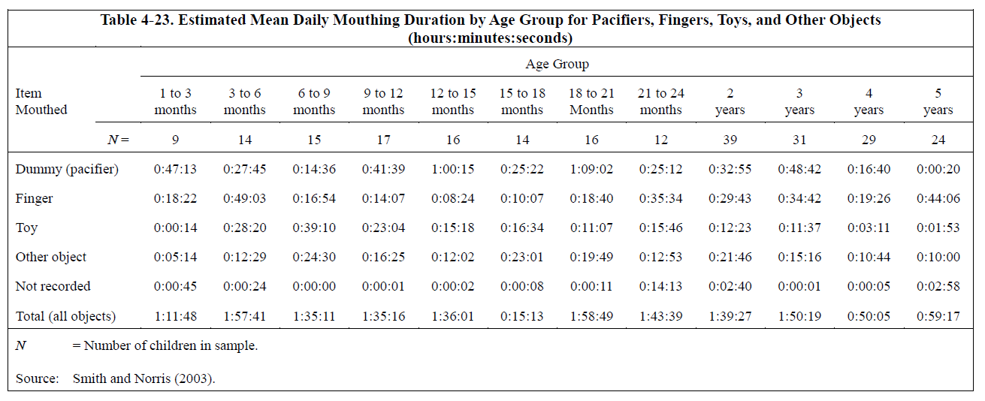
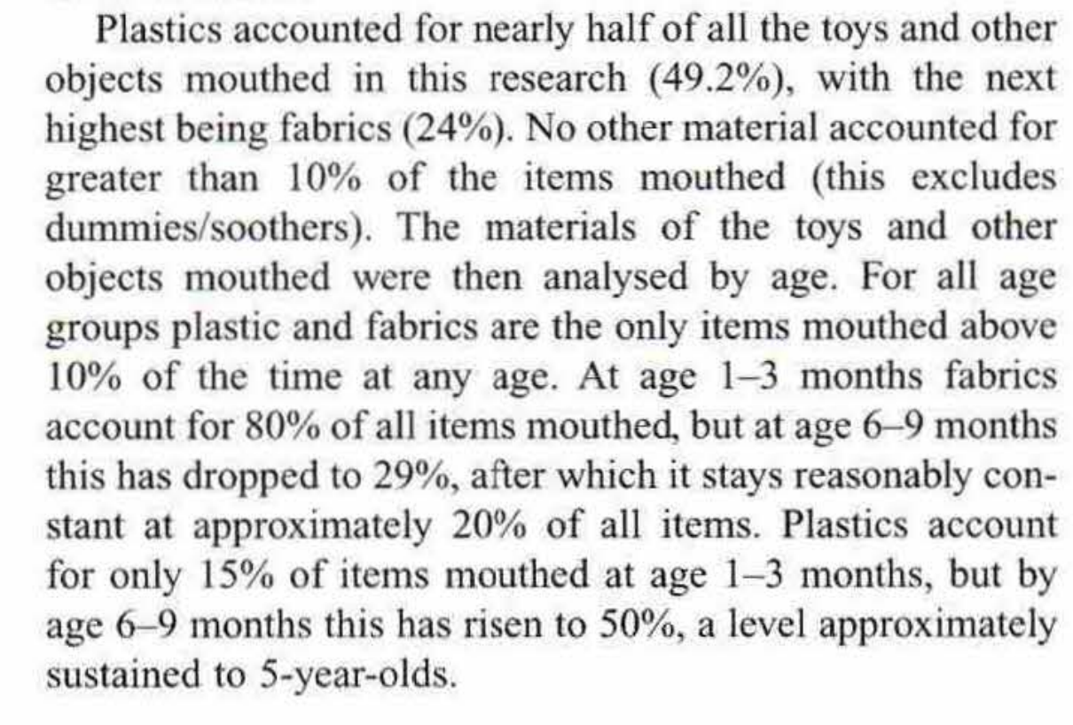
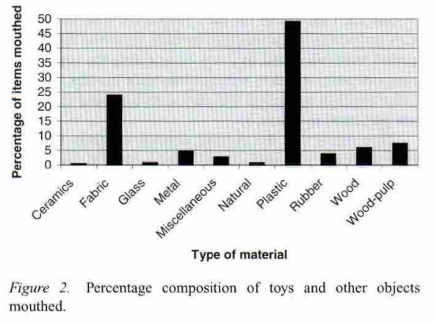
 |  |  | Calculation of Daily Mouthing Durations for Age Groups Applicable to CEM
 |  |  | CEM Age Group: Infants <1 year
3–6 Months | 6–9 Months | 9–12 Months | Maximum | Average | Minimum
28.33 | 39.17 | 23.07 | 39.2 | 22.9 | 1.0
12.48 | 24.50 | 16.42 | 24.5 | 14.7 | 5.23
27.75 | 14.60 | 44.25 | 47.2 | 33.5 | 14.60
 |  |  | CEM Age Group: Infants 1–2 Years
15–18 Months | 18–21 Months | 21–24 Months | Maximum | Average | Minimum
16.57 | 11.12 | 15.77 | 16.6 | 14.7 | 11.1
23.02 | 19.82 | 12.88 | 23.0 | 16.9 | 12.03
25.37 | 69.37 | 25.20 | 69.4 | 45.0 | 25.20
 |  |  | CEM Age Group: Small Child 3–5 Years
3 Years | 4 Years | 5 Years | Maximum | Average | Minimum
11.62 | 3.18 | 1.88 | 12.4 | 7.3 | 1.9
15.27 | 10.73 | 10.00 | 21.8 | 14.4 | 10.00
48.70 | 16.67 | 0.33 | 48.7 | 24.7 | 0.3
...
 |  |  |  |  |  | PVC Product Density Calculations
 |  |  |  |  |  | Source | Material | Min Density | Max Density | Average Density
 |  |  |  |  |  | Ansys (2021) | Polyvinylchloride (tpPVC) | 1.3 | 1.6 | 1.45
 |  |  |  |  |  | Aurisano et al. (2020) | PVC toy with phthalates | -- | -- | 1.3
 |  |  |  |  |  | iPolymer.com | PVC | -- | -- | 1.41
 |  |  |  |  |  | Li et al. (2018) | PVC insulation layer of non-sheathed copper Polyvinyl chloride cable | -- | -- | 1.38
 |  |  |  |  |  | Overall |  |  |  | 1.4
...

