GenPop Risk Calculations
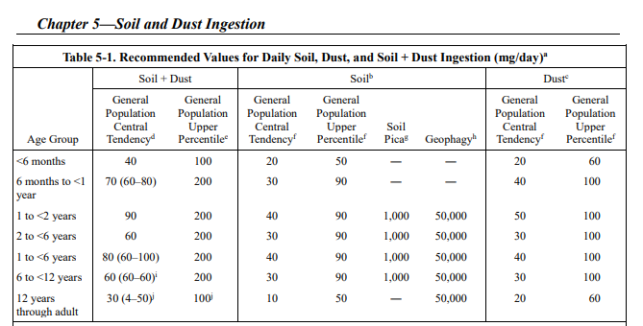
Screening-level Risk Calculations for General Population Exposure to D4 via Incidental Ingestion of Biosolids-Amended Soil
 |  |  |  |  | Exposure Factor Excerpts from the Exposure Factors Handbook; Handbook: {U.S. EPA, 2011, 786546}; Chapter 5: {U.S. EPA, 2017, 5097842}
 | D4 Hazard Values
 | D4 PODs (adult) | Value (mg/kg-day)
 | Acute HED | 8.93
 | Chronic/Intermediate HED | 3.6

 | Maximum D4 Screening Soil Concentrations (Csoil) - Dry Climate Scenarios
 | D4 Release OES or Data Source | Csoil (mg/kg dw) | Run Notes
 | Formulation of Adhesives and Sealants (Neat D4) | 0.7744 | Maximum crop; solubility limit exceeded
 | ECA Industrial – 95th | 7.28E-05 | Maximum crop
 | Formulation of Adhesives and Sealants (Neat D4) | 2.1845 | Maximum pasture; solubility limit exceeded
 | ECA Industrial – 95th | 2.05E-04 | Maximum pasture
 | ECA Non-industrial – 95th | 2.42E-05 | Maximum pasture

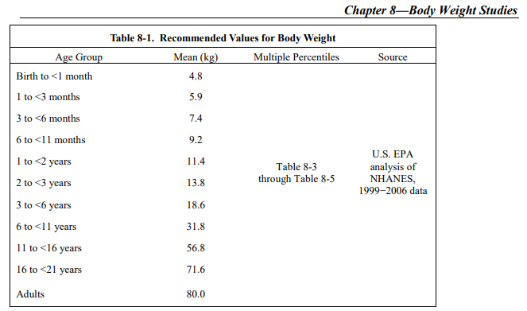
 | Exposure Dose Equations
$$Average Daily Doses \left(ADD\right)= \frac{{(C}_{soil}×IR×EF×ED×CF)}{(BW×AT)}$$

$$Acute Dose Rate \left(ADR\right)= \frac{{(C}_{soil}×CF×IR)}{(BW×{AT}_{EF})}$$

 | Exposure Factors for Screening Scenario: Maximum Ingestion Rate per Body Weight
 | Factor/Variable | Value | Units
 | Max ingestion rate (IR) | 200 | mg/day
 | 6 to <11 year mo. body weight (BW) | 9.2 | kg
 | Averaging time (AT) | 0.5 | years
 | Exposure duration (ED) | 0.5 | years
 | Exposure factor (EF) – acute | 1 | days/year
 | Exposure factor (EF) – intermediate | 22 | days/year
 | Exposure factor (EF) – chronic | 250 | days/year
 | Conversion factor (CF) | 1.00E-06 | kg/mg

 | Incidental Soil Ingestion Exposure Dose Calculations
 | D4 Release OES or Data Source | Acute ADR (mg/kg-day) | Intermediate ADD (mg/kg-day) | Chronic ADD (mg/kg-day) | Run Notes
 | Formulation of Adhesives and Sealants (Neat D4) | 3.37E-05 | 3.70E-04 | 4.21E-03 | Maximum crop; solubility limit exceeded
 | ECA Industrial – 95th | 3.17E-09 | 3.48E-08 | 3.96E-07 | Maximum crop
 | Formulation of Adhesives and Sealants (Neat D4) | 9.50E-05 | 1.04E-03 | 1.19E-02 | Maximum pasture; solubility limit exceeded
 | ECA Industrial – 95th | 8.93E-09 | 9.83E-08 | 1.12E-06 | Maximum pasture
 | ECA Non-industrial – 95th | 1.05E-09 | 1.16E-08 | 1.31E-07 | Maximum pasture

 | Incidental Soil Ingestion Risk Calculations
 | D4 Release OES or Data Source | Acute MOE | Intermediate MOE | Chronic MOE | Run Notes
 | Formulation of Adhesives and Sealants (Neat D4) | 2.65E+05 | 9.72E+03 | 8.55E+02 | Maximum crop; solubility limit exceeded
 | ECA Industrial – 95th | 2.82E+09 | 1.03E+08 | 9.10E+06 | Maximum crop
 | Formulation of Adhesives and Sealants (Neat D4) | 9.40E+04 | 3.45E+03 | 3.03E+02 | Maximum pasture; solubility limit exceeded
 | ECA Industrial – 95th | 1.00E+09 | 3.66E+07 | 3.22E+06 | Maximum pasture
 | ECA Non-industrial – 95th | 8.49E+09 | 3.11E+08 | 2.74E+07 | Maximum pasture
 | Benchmark MOE = 30 | No Risk | No Risk | No Risk

D4 P-Chem BST Inputs
Biosolids Tool Chemical Inputs
Parameter | Value | Source
CAS | 556-67-2
Name | D4
Molecular weight | 296.61 | {Haynes, 2014, 6982969}
Log octanol/water partition coefficient (log KOW; L/kg) | 6.488 | {Kozerski, 2007, 6987895}
Organic carbon/water partition coefficient (KOC; L/kg) | 16,032 | Average of {Miller, 2007, 6987894} and {Kozerski, 2014, 6833861}
Henry's law constant (atm·m3/mol at 21.7 °C) | 11.8 | {Xu, 2012, 2188633}
Water solubility (mg/L) | 0.056 | {Dow Corning, 1991, 7310465}, {Dow Corning, 1993, 5895933}, and {Varaprath, 1996, 6984031} as cited in {NCBI, 2021, 6982832}
$$D_{w}=\frac{2.2×{10}^{−4}}{{MW}^{2/3}}$$
Diffusivity in water (Dw) | 4.9E-06
$$D_{a}=\frac{1.9}{{MW}^{2/3}}$$
Diffusivity in air (Da) | 4.3E-02
Hydrolysis rate in soil pore water (Kh; d–1 first order) | 1.67E-01 | Average of {Durham, 2005, 6987839} and {Gatidou, 2016, 5375770}; Half-life = 99.6 hours at pH 7; Kh = ln(2)/t1/2

