Cover Page
Consumer Risk Calculator for Butyl Benzyl Phthalate (BBP)

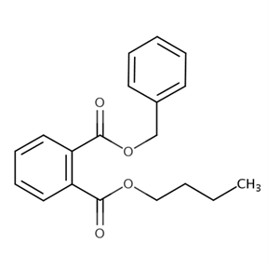

CASRN: 85-68-7

December 2025

Equations and POD
Phthalate | Duration | Effect | Oral/Dermal HED (mg/kg-day) | Inhalation HEC (mg/m^3)** | Inhalation HEC (ppm)** | Benchmark MOE (Total UF) | Cancer slope factor (CSF) | Cancer Inhalation Unit Risk (IUR) | Status
BBP | Acute | Phthalate syndrome-related effects | 12 | 64 | 5 | 30 | Not derived | Not derived
 | Intermediate
 | Chronic
 |  | Oral/Dermal HED (microg/kg-day) | 12000
 | ** HECs based on daily coninuous (24-hour) exposure; breathing rate of 0.6125 m^3/hr, adult BW of 80 kg

$$MOE=\frac{Non−Cancer Hazard value (POD)}{ Human Exposure}$$

(>21 years) à Adult
(16–20 years) à Teenager
(11–15 years) à Young teen
(6–10 years) à Middle childhood
(3–5 years) à Preschooler
(1–2 years) à Toddler
(<1 year) à Infant

