Cover Page
Consumer Exposure Analysis for Butyl Benzyl Phthalate (BBP)

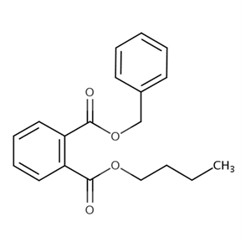

CASRN: 85-68-7

December 2025

Article Inputs
Article Inputs
Calculations for non-CEM defaults, including:
CEM Input: Mouthing Duration
CEM Input: Area of Article Mouthed
CEM Input: Chemical Migration Rate
CEM Input: Density of Product
CEM Input: Surface Area of Articles

CEM Input: Mouthing Duration

Article | Exposure Scenario | Mouthing Duration (min/day) |  |  |  | Mouthing Duration (min/hr) |  |  |  | Source
 |  | <1 yr | 1-2 yr | 3-5 yr | 16+ yr | <1 yr | 1-2 yr | 3-5 yr | 16+ yr
Adult Toys | High | -- | -- | -- | 60 | -- | -- | -- | 2.5 | Professional Judgement
 | Med | -- | -- | -- | 30 | -- | -- | -- | 1.25
 | Low | -- | -- | -- | 15 | -- | -- | -- | 0.63
Childrens Toy (new) | High | 39.2 | 16.6 | 12.4 | -- | 1.63 | 0.69 | 0.52 | -- | Exposure Factors Handbook Chapter 4 Table 4-23 (Toy). See calculations below. Maximum, average, and minimum values used for High, Med, and Low Scenarios, respectively.
 | Med | 22.9 | 14.7 | 7.3 | -- | 0.95 | 0.61 | 0.30 | --
 | Low | 1.0 | 1.0 | 1.9 | -- | 0.04 | 0.04 | 0.08 | --
Childrens Toy (legacy) | High | 39.2 | 16.6 | 12.4 | -- | 1.63 | 0.69 | 0.52 | --
 | Med | 22.9 | 14.7 | 7.3 | -- | 0.95 | 0.61 | 0.30 | --
 | Low | 1.0 | 11.1 | 1.9 | -- | 0.04 | 0.46 | 0.08 | --
Synthetic Leather Furniture | High | 24.5 | 23.0 | 21.8 | -- | 1.02 | 0.96 | 0.91 | --
 | Med | 14.7 | 16.9 | 14.4 | -- | 0.61 | 0.71 | 0.60 | --
 | Low | 5.23 | 12.0 | 10.00 | -- | 0.22 | 0.50 | 0.42 | --

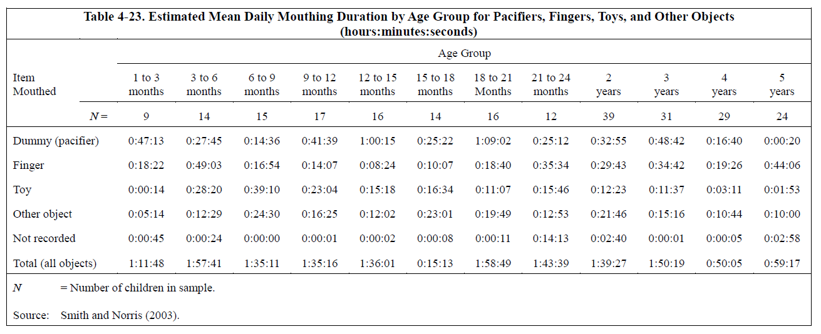
Estimated Mean Daily Mouthing Duration Values from Table 4-23 in Exposure Factors Handbook (Source: Smith and Norris (2003)) |  |  |  |  |  | Calculation of Daily Mouthing Durations for Age Groups Applicable to CEM
Item Mouthed | Duration Mouthed Units | Reported Age Group |  |  |  | CEM Age Group: Infants <1 year
 |  | 1 to 3 mo | 3 to 6 mo | 6 to 9 mo | 9 to 12 mo | Maximum | Average | Minimum
Toy | min/day | 1.00 | 28.33 | 39.17 | 23.07 | 39.2 | 22.9 | 1.0
Other Object | min/day | 5.23 | 12.48 | 24.50 | 16.42 | 24.5 | 14.7 | 5.23
Item Mouthed | Duration Mouthed Units | Reported Age Group |  |  |  | CEM Age Group: Infants 1-2 years
 |  | 12-15 mo | 15-18 mo | 18-21 mo | 21-24 mo | Maximum | Average | Minimum
Toy | min/day | 15.30 | 16.57 | 11.12 | 15.77 | 16.6 | 14.7 | 11.1
Other Object | min/day | 12.03 | 23.02 | 19.82 | 12.88 | 23.0 | 16.9 | 12.03
Item Mouthed | Duration Mouthed Units | Reported Age Group |  |  |  | CEM Age Group: Small Child 3-5 years
 |  | 2 yr | 3 yr | 4 yr | 5 yr | Maximum | Average | Minimum
Toy | min/day | 12.38 | 11.62 | 3.18 | 1.88 | 12.4 | 7.3 | 1.9
Other Object | min/day | 21.77 | 15.27 | 10.73 | 10.00 | 21.8 | 14.4 | 10.00

CEM Input: Area of Article Mouthed

Article | Exposure Scenario | Mouthing area (cm2) | Source

Adult Toys | High | 50 | High CEM Default
 | Med
 | Low
Childrens Toy (new) | High | 10 | Med CEM Default. Commonly accepted surface area for mouthing activities.
 | Med
 | Low
Childrens Toy (legacy) | High | 10
 | Med
 | Low
Synthetic Leather Furniture | High | 10
 | Med
 | Low

CEM Input: Chemical Migration Rate

Exposure Level | Summary of DINP Chemical Migration Rates Obtained from Literature as Reported in Tables 17, 18, and 19 of Danish Environmental Protection Agency (2016) report "Determination of Migration Rates for Certain Phthalates" |  |  |  |  |  |  |  |  |  |  |  | Adult Toys | Children's Toys (Legacy/Non-compliant) | Children's Toys (New/Compliant) | Furniture (Synthetic Leather)
 | Analytical Method | Migration Rate (µg/cm2/hr) |  |  |  |  |  |  |  |  |  | WF max | 0.000026 | 0.005 | 0.001 | 0.000652
 |  | Min | Mean (Selected | Standard Deviation | Max |  |  |  |  |  |  | WF avg | 0.000026 | 0.003 | 0.001 | 0.000388
High | Harsh |  |  |  |  |  |  |  |  |  |  | WF min | 0.000026 | 0.001 | 0.001 | 0.000124
Med | Medium
Low | Mild | 0.04 | 0.77 | 1.39 | 5.8
 |  |  | No data was available for medium assay condition, so midpoint between mean values for high and low assay conditions will be used.
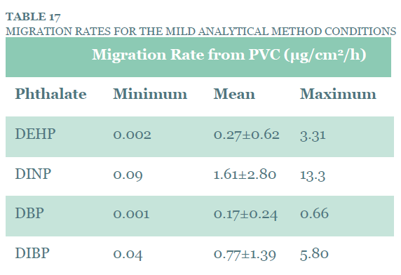
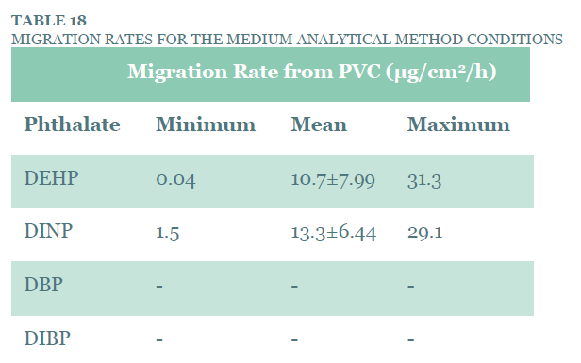
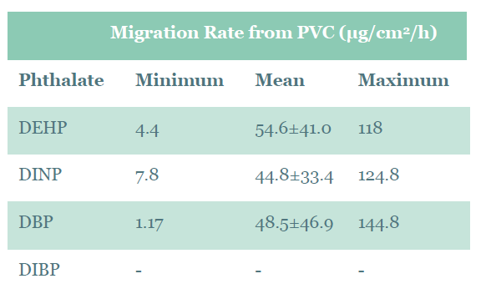
 |  |  |  |  |  |  |  |  |  |  |  |  | WF (g/g) |  | Rmgr - Chemical Migration Rate (µg/10cm2/min),
 |  |  |  |  |  |  |  |  |  |  |  |  | 0.005 |  | 4.94E-02
 |  |  |  |  |  |  |  |  |  |  |  |  | 0.0011035 |  | 1.23E-02
 |  |  |  |  |  |  |  |  |  |  |  |  | 0.000026 |  | 3.91E-04

CEM Input: Density of Product

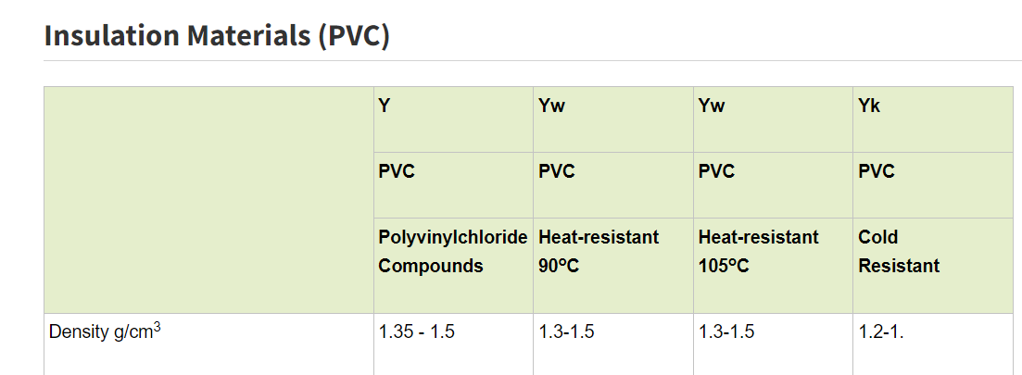
Product Density Calculations for Plastic Articles
Reference | Link |  | Material |  | Min Density | Max Density | Average Density
Ansys (2021) | material-property-data-for-eng-materials-BOKENGEN21.pdf (ansys.com) |  | Polyvinylchloride (tpPVC) |  | 1.3 | 1.6 | 1.45
Aurisano (2020) | Estimating mouthing exposure to chemicals in children’s products | Journal of Exposure Science & Environmental Epidemiology (nature.com) |  | PVC toy with phthalates |  | -- | -- | 1.3
iPolymer.com | PVC.pdf (ipolymer.com) |  | PVC |  | -- | -- | 1.41
Li, et. al (2018) | Insulated Cable Temperature Calculation and Numerical Simulation (matec-conferences.org) |  | PVC insulation layer of non-sheathed copper Polyvinyl chloride cable |  | -- | -- | 1.38
Overall |  |  |  |  |  |  | 1.4
Foam | 0.05 | https://plastics-rubber.basf.com/global/en/performance_polymers/locations/great-britain/insulation.html

CEM Input: Surface Area of Articles

Estimating Surface Area of Toys in a Room
SAone toy​=2×(Length×Width+Width×Height+Height×Length)
Exposure Level and Description | Source | Toys Per Room | Lenth (m) | Width (m) | Height (m) | Total Surface Area of Toys (m2)
High Estimate: 30 toys per room, average size 30x25x15 cm | Professional Judgement | 30 | 0.30 | 0.25 | 0.15 | 9.45
Medium Estimate: 20 toys per room, average size 20x15x8 cm. | Professional Judgement | 20 | 0.20 | 0.15 | 0.08 | 2.32
Low Estimate: 5 toys per room, average size 15x10x5 cm. | Professional Judgement | 5 | 0.15 | 0.10 | 0.05 | 0.28

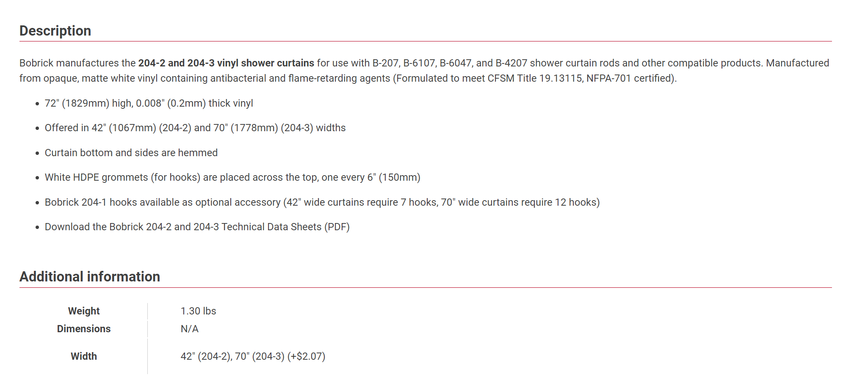
Estimating Surface Area of Shower Curtain

Exposure Level and Description | Source | Link | Lenth (m) | Width (m) | Number of Sides | Total Surface Area of Toys (m2)
High, Medium, and Low Standard bathtub shower curtain, measuring 70 inches horizontal and 72 inches vertical. | Manufacturer Specs for a typical shower curtain | https://www.bobrick.com/wp-content/uploads/204-2-3_td.pdf | 1.8288 | 1.778 | 2 | 6.50

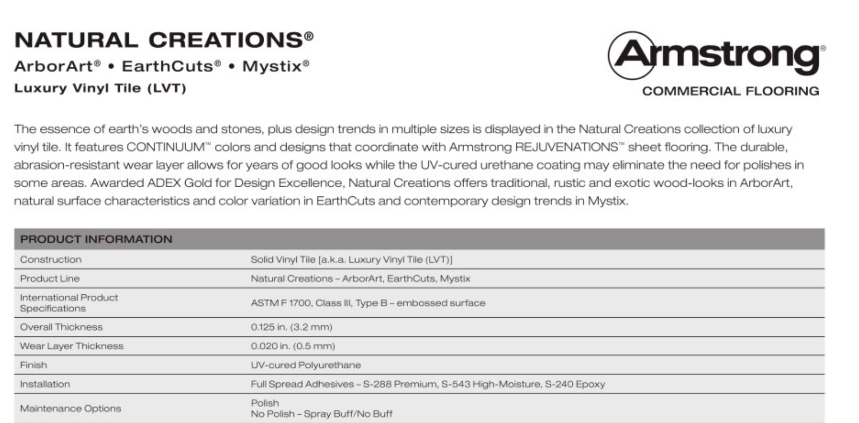
Estimating Surface Area of Solid Flooring

Exposure Level and Description | Source | Volume (m3) | 8 ft Ceiling Height (m) | Surface Area of Floor (m2)
High, Medium, and Low Based on floor area associated with a 492 m3 volume house with 8 ft ceilings. | CEM default of house volume | 492 | 2.44 | 202

Estimating Surface Area of Leather Furniture
SA=2×(Lcouch​×Dcouch​+Lcouch​×Hcouch​+Dcouch​×Hcouch​)+2×(Lloveseat​×Dloveseat​+Lloveseat​×Hloveseat​+Dloveseat​×Hloveseat​)
Exposure Level and Description | Item | Lenth (in) | Depth (in) | Height (in) | Surface Area (in2) | Total Surface Area (m2)
High A large couch measuring 100”x 42”x 35” and a large loveseat measuring 72"x 42" x 35" | Couch | 100 | 42 | 35 | 18340 | 20.88
 | Loveseat | 72 | 42 | 35 | 14028
Medium A medium couch measuring 80”x 36”x 30” and a medium loveseat measuring 60"x 36" x 30" | Couch | 80 | 36 | 30 | 12720 | 14.71
 | Loveseat | 60 | 36 | 30 | 10080
Low A small couch measuring 60”x 30”x 25” and a small loveseat measuring 48"x 30" x 25" | Couch | 60 | 30 | 25 | 8100 | 9.60
 | Loveseat | 48 | 30 | 25 | 6780

Estimating Surface Area of Wire Insulation

Exposure Level | # of residents | Home Appliance Cords | Television, Lamps, and Other Electrical Devices per home | Internet Cords per home | Charging Cables/person | Misc. Cords/person | Total Cord Number in Home | Cord Length (m) | Cord Diameter (mm) | Cord Circumference (m) | Length of Cord in Home (m) | Surface area of Cord in Home (m)
Low | 1 | 11 | 10 | 4 | 4 | 6 | 35 | 2 | 6.36 | 0.01998 | 70 | 1.40
Medium | 2 | 14 |  |  |  |  | 48 | 2 | 6.36 | 0.01998 | 96 | 1.92
High | 6 | 18 |  |  |  |  | 92 | 2 | 6.36 | 0.01998 | 184 | 3.68
Number of cords based on professional judgement for number of appliance, television, internet, and charging cords.
A Survey on Ownership of Home Appliances and Electric Energy Consumption Status According to the Number of Household Member | Scientific.Net
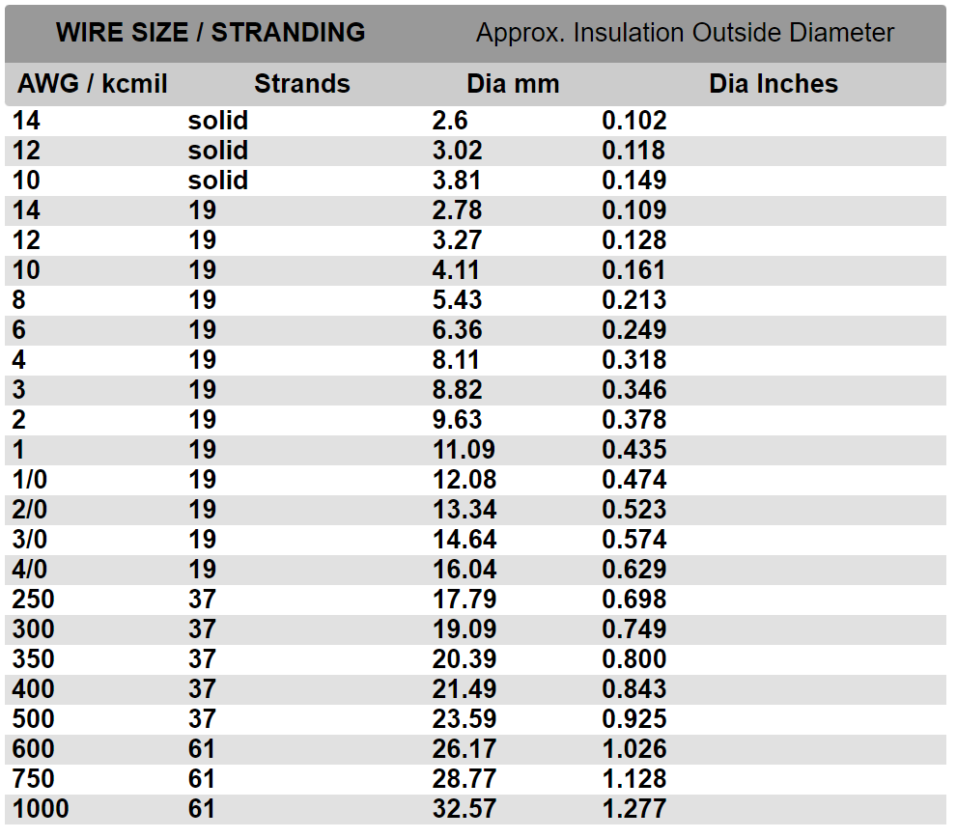
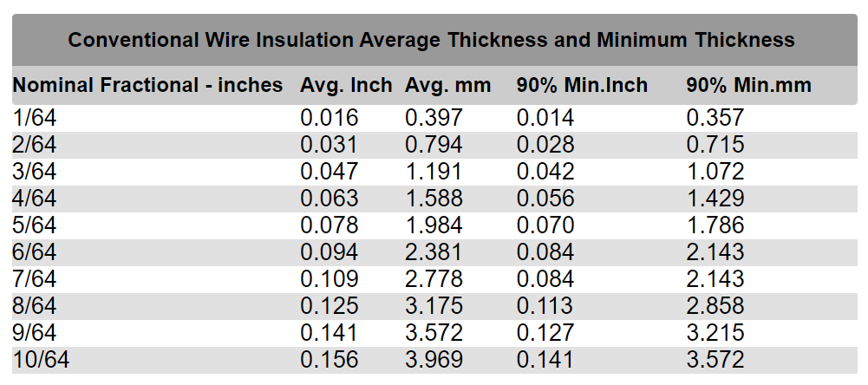

Tire Crumb Calc Inputs
BBP Concentrations in Air and Tire Crumb
 |  |  |  |  |  |  |  |  | BBP Concentration in tire particles (mg/kg). Table 2-5 EPA Tire Crumb Characterization Report.
Semivolatile Organic Compound (SVOC) | > Minimum Quantifiable Limit (%) | Background Air Sample Median (ng/m3 ) | Field Air Sample Location 1 Median (ng/m3 ) | Field Air Sample Location 2 Median (ng/m3 ) | Field Air Sample Max (ng/m3 ) |  |  |  | min | mid | max
Benzylbutyl Phthalate | 100 | 6.4 | 4.8 | 11 | 75 |  |  |  | 0.44 | 1.42 | 2.4
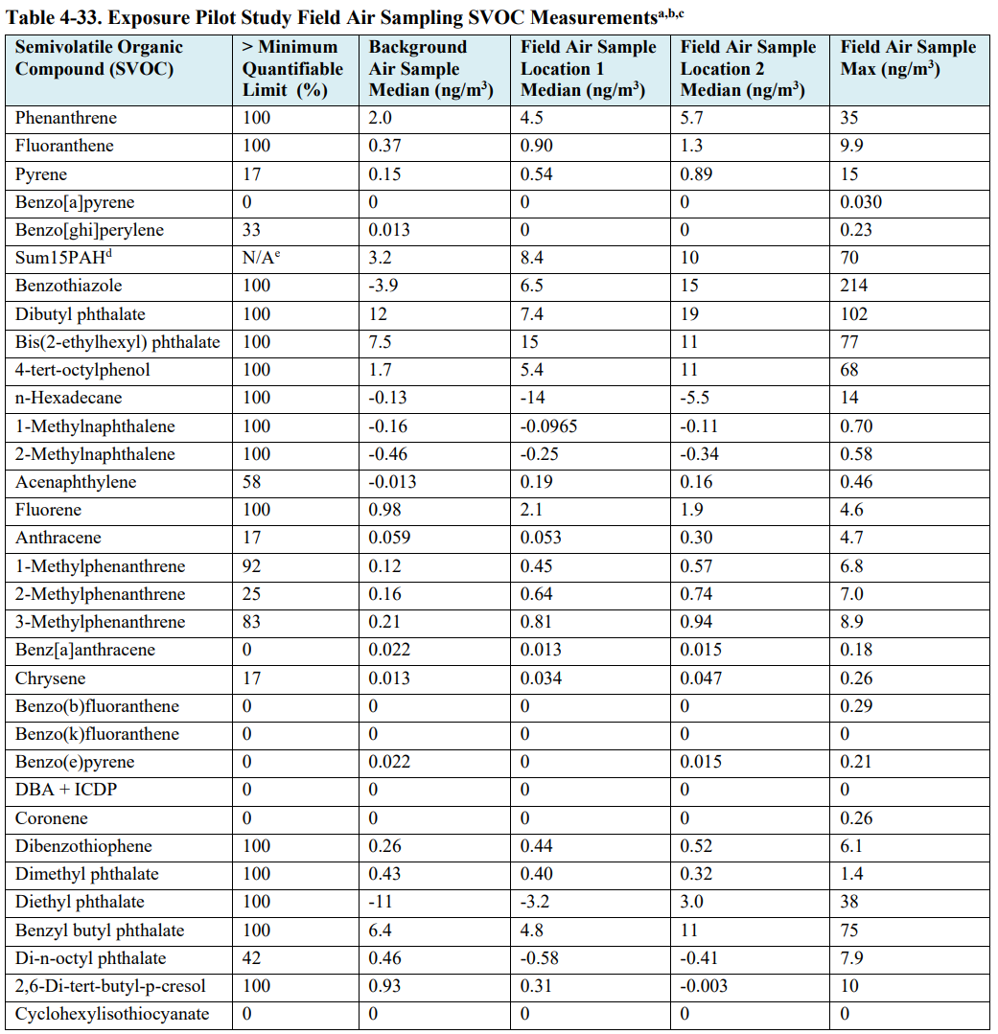

Inhalation Rates
High Intensity Ventilation Rates from Exposure Factors Handbook

 |  |  |  |  |  |  |  | CEM Age groups Relevant to sporting event
 |  |  |  |  |  |  |  |  | Small child (3-5) | Child (6-10) | Youth (11-15) | Youth (16-20) | Adult
 |  |  |  |  |  |  |  | mean rate (m3/min) | 0.037 | 0.042 | 0.049 | 0.049 | 0.0502
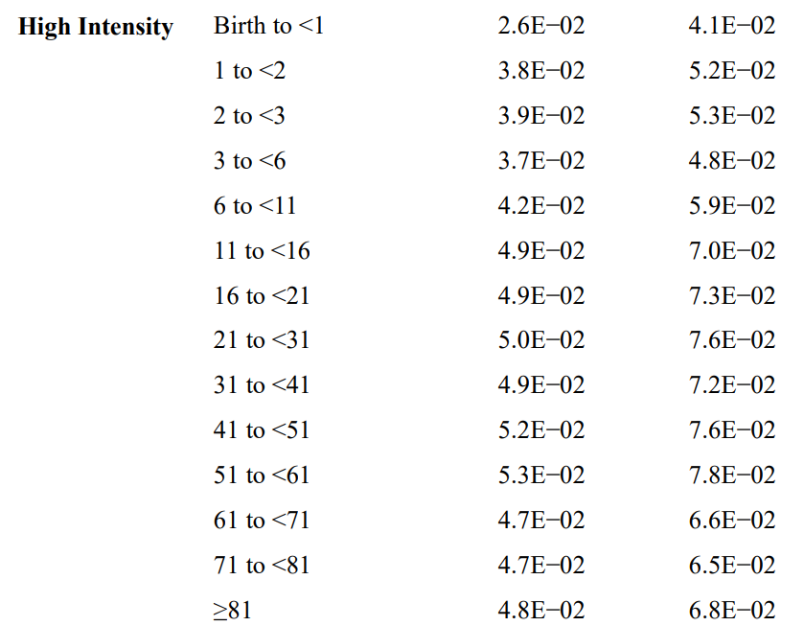
 |  |  |  |  |  |  |  | mean rate (m3/hour) | 2.22 | 2.52 | 2.94 | 2.94 | 3.012

Inputs for Duration and Frequency of Exposure
EPA Tire Crumb Exposure Characterization Table 5-7. Exposure Parameters for Extant Data

 |  |  |  |  |  |  |  |  |  |  |  |  |  |  |  |  | Small child (3-5) | Child (6-10) | Youth (11-15) | Youth (16-20) | Adult
 |  |  |  |  |  |  |  |  |  |  |  |  |  |  |  | Exposure Time(hrs/event) | 1 | 1 | 3 | 2 | 2
 |  |  |  |  |  |  |  |  |  |  |  |  |  |  |  | Exposure Frequency (year-1) | 78 | 78 | 138 | 138 | 78
 |  |  |  |  |  |  |  |  |  |  |  |  |  |  |  | Exposure Frequency (day-1) | 1 | 1 | 1 | 1 | 1

Absorption Fraction
EPA Tire Crumb Exposure Characterization Table 5-7. Exposure Parameters for Extant Data

 |  |  |  |  |  |  |  |  |  |  |  |  |  |  |  | Route | Absorption Fraction
 |  |  |  |  |  |  |  |  |  |  |  |  |  |  |  | Ingestion | 0.5
 |  |  |  |  |  |  |  |  |  |  |  |  |  |  |  | Dermal | 0.1
 |  |  |  |  |  |  |  |  |  |  |  |  |  |  |  | Inhalation | 0.7

Body Weight Lookup Table (From EFH Table 8-1)
Mean Body Weight (Kg)
Infant1 | Infant2 | Child1 | Child2 | Youth1 | Youth2 | Adult
7.80 | 12.60 | 18.60 | 31.80 | 56.80 | 71.60 | 80.00

Soil and Dust Ingestion Rates (From EFH Table 5-1)
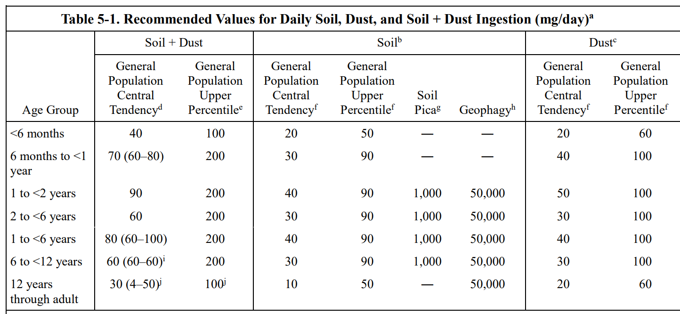

 |  |  |  |  |  |  |  |  |  |  |  |  | Small child (3-5) | Child (6-10) | Youth (11-15) | Youth (16-20) | Adult
 |  |  |  |  |  |  |  |  |  |  |  | mg/day | 80 | 60 | 60 | 30 | 30
 |  |  |  |  |  |  |  |  |  |  |  | g/day | 0.08 | 0.06 | 0.06 | 0.03 | 0.03

Solids Adherance on Skin
Field Measurement of Dermal Soil Loading Attributable to Various Activities: Implications for Exposure Assessment |  |  |  |  |  |  |  |  |  | Adult female soccer players were monitored on two occasions involving 90-min games. All players wore shorts, shin guards, high socks, and short-sleeves. Three of 16 knees were covered by braces or guards. The games were conducted on all-weather fields composed in part of sand and ground tires.
Kissel et al 1996
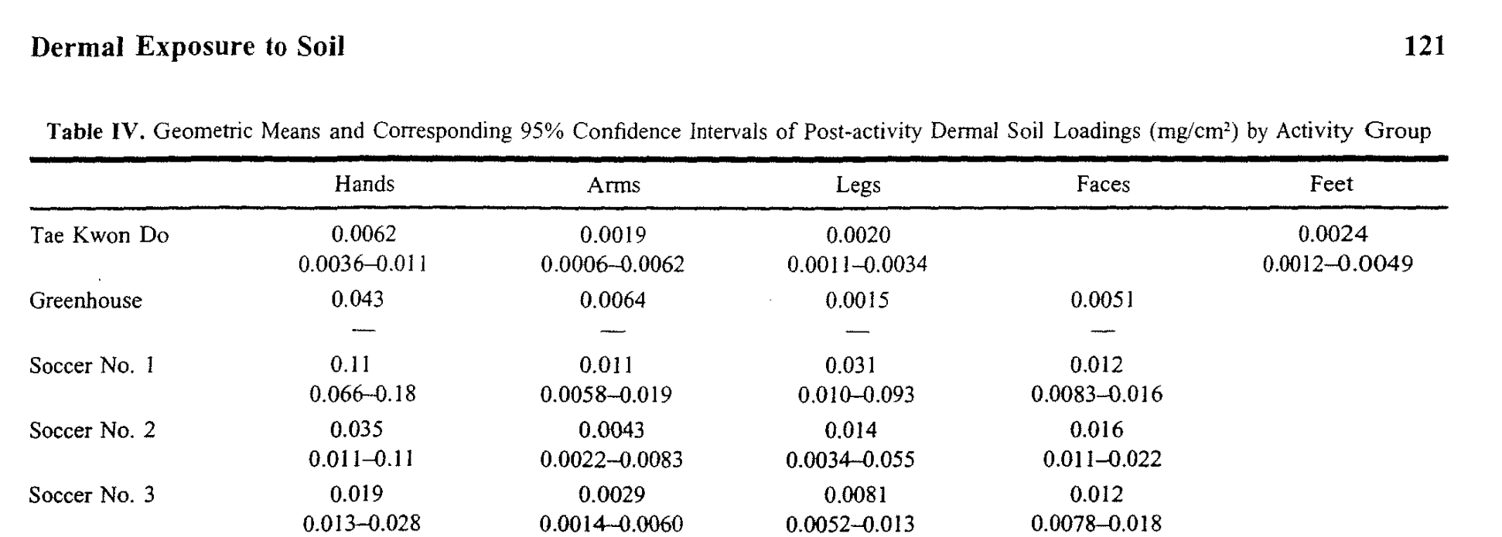

 |  |  |  |  |  |  |  |  |  | Values Reported for soccer games played on tire fields
 |  |  |  |  |  |  |  |  |  |  | Dermal Solids Loading (mg/cm2)
 |  |  |  |  |  |  |  |  |  |  |  | Hands | Arms | Legs | Faces
 |  |  |  |  |  |  |  |  |  |  | 95% CI upper | 0.11 | 0.0083 | 0.055 | 0.022
 |  |  |  |  |  |  |  |  |  | Soccer 2 | Geo Mean | 0.035 | 0.0043 | 0.014 | 0.016
 |  |  |  |  |  |  |  |  |  |  | 95% CI lower | 0.011 | 0.0022 | 0.0034 | 0.011

 |  |  |  |  |  |  |  |  |  |  | 95% CI upper | 0.028 | 0.006 | 0.013 | 0.012
 |  |  |  |  |  |  |  |  |  | Soccer 3 | Geo Mean | 0.019 | 0.0029 | 0.0081 | 0.012
 |  |  |  |  |  |  |  |  |  |  | 95% CI lower | 0.013 | 0.0014 | 0.0052 | 0.0078
 |  |  |  |  |  |  |  |  |  |  |  |  |  |  |  |  | Surface Area Normalized Adherence Factors
 |  |  |  |  |  |  |  |  |  |  |  |  |  |  |  |  | Small child (3-5) | Child (6-10) | Youth (11-15) | Youth (16-20) | Adult
 |  |  |  |  |  |  |  |  |  | Selected Values |  | Hands | Arms | Legs | Faces | max | 0.044435553837 | 0.04515028857 | 0.044963877681 | 0.044692711025 | 0.046421851094
 |  |  |  |  |  |  |  |  |  |  | max | 0.11 | 0.0083 | 0.055 | 0.022 | avg | 0.011386922163 | 0.011254810496 | 0.011020208112 | 0.010946320557 | 0.011363579791
 |  |  |  |  |  |  |  |  |  |  | avg | 0.027 | 0.0036 | 0.01105 | 0.014 | min | 0.0044075328643 | 0.0042628071637 | 0.0041084136759 | 0.0040753883097 | 0.0042500799367
 |  |  |  |  |  |  |  |  |  |  | min | 0.011 | 0.0014 | 0.0034 | 0.0078

SurfaceArea of Exposure

Body part percentages were assumed to be 100% of the face, 72.5% of the arms, 40% of the legs (to account for socks and short pants), and 100% of the hands.
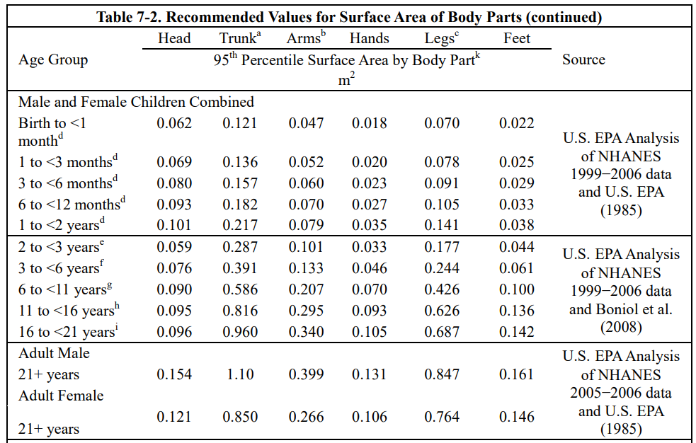
 |  |  |  |  |  |  | Face surface area is assumed to be ⅓ the area of the head. This is the same assumption Kissel used to calculate adherence factors.
 |  |  |  |  |  |  |  | Surface area of body parts by age (m2)
 |  |  |  |  |  |  |  | Small child (3-5) | Child (6-10) | Youth (11-15) | Youth (16-20) | Adult
 |  |  |  |  |  |  | face | 0.02508 | 0.0297 | 0.03135 | 0.03168 | 0.045375
 |  |  |  |  |  |  | Arms | 0.133 | 0.207 | 0.295 | 0.34 | 0.3325
 |  |  |  |  |  |  | Hands | 0.046 | 0.07 | 0.093 | 0.105 | 0.1185
 |  |  |  |  |  |  | Legs | 0.244 | 0.426 | 0.626 | 0.687 | 0.8055

 |  |  |  |  |  |  |  | Exposed area of body parts (m2)
 |  |  |  |  |  |  |  | Small child (3-5) | Child (6-10) | Youth (11-15) | Youth (16-20) | Adult
 |  |  |  |  |  |  | face | 0.02508 | 0.0297 | 0.03135 | 0.03168 | 0.045375
 |  |  |  |  |  |  | Arms | 0.096425 | 0.150075 | 0.213875 | 0.2465 | 0.2410625
 |  |  |  |  |  |  | Hands | 0.046 | 0.07 | 0.093 | 0.105 | 0.1185
 |  |  |  |  |  |  | Legs | 0.0976 | 0.1704 | 0.2504 | 0.2748 | 0.3222

 |  |  |  |  |  |  | Total | 0.265105 | 0.420175 | 0.588625 | 0.65798 | 0.7271375

 |  |  |  |  |  |  | Total (cm2) | 2651.05 | 4201.75 | 5886.25 | 6579.8 | 7271.375

Tire Crumb Dose Calcs
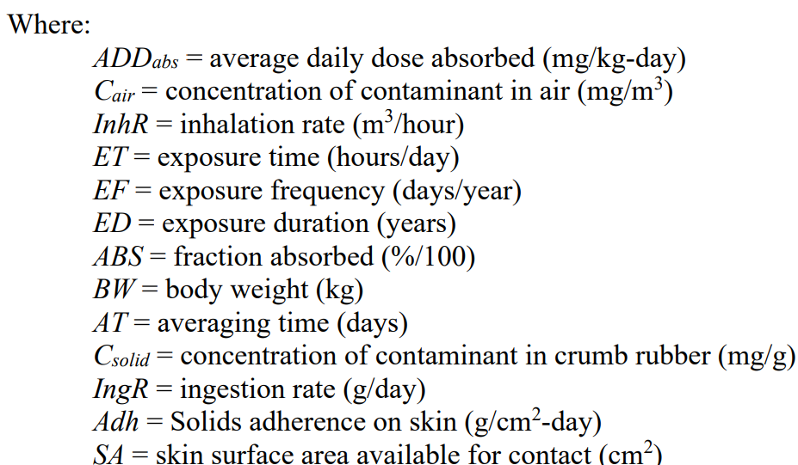

Dose Calculations
 |  | Dose per Exposure Event mg/kg bw-event |  |  |  |  | ADR (mg/kg bw-day) |  |  |  |  | CADD (mg/kg bw-day)
 | These values are currently based on the 10th, 50th, and 95th percentile concentration values | Small child (3-5) | Child (6-10) | Youth (11-15) | Youth (16-20) | Adult | Small child (3-5) | Child (6-10) | Youth (11-15) | Youth (16-20) | Adult | Small child (3-5) | Child (6-10) | Youth (11-15) | Youth (16-20) | Adult
Inhalation | High | 6.27E-06 | 4.16E-06 | 8.15E-06 | 4.31E-06 | 3.95E-06 | 6.27E-06 | 4.16E-06 | 8.15E-06 | 4.31E-06 | 3.95E-06 | 1.34E-06 | 8.89E-07 | 3.08E-06 | 1.63E-06 | 8.45E-07
 | Med | 6.60E-07 | 4.38E-07 | 8.59E-07 | 4.54E-07 | 4.16E-07 | 6.60E-07 | 4.38E-07 | 8.59E-07 | 4.54E-07 | 4.16E-07 | 1.41E-07 | 9.36E-08 | 3.25E-07 | 1.72E-07 | 8.90E-08
 | Low | 4.01E-07 | 2.66E-07 | 5.22E-07 | 2.76E-07 | 2.53E-07 | 4.01E-07 | 2.66E-07 | 5.22E-07 | 2.76E-07 | 2.53E-07 | 8.57E-08 | 5.69E-08 | 1.97E-07 | 1.04E-07 | 5.41E-08
 |  | Dose per Exposure Event mg/kg bw-event |  |  |  |  | ADR (mg/kg bw-day) |  |  |  |  | CADD (mg/kg bw-day)
 | These values are currently based on the 10th, 50th, and 95th percentile concentration values | Small child (3-5) | Child (6-10) | Youth (11-15) | Youth (16-20) | Adult | Small child (3-5) | Child (6-10) | Youth (11-15) | Youth (16-20) | Adult | Small child (3-5) | Child (6-10) | Youth (11-15) | Youth (16-20) | Adult
Ingestion | High | 5.16E-06 | 2.26E-06 | 1.27E-06 | 5.03E-07 | 4.50E-07 | 5.16E-06 | 2.26E-06 | 1.27E-06 | 5.03E-07 | 4.50E-07 | 1.10E-06 | 4.84E-07 | 4.79E-07 | 1.90E-07 | 9.62E-08
 | Med | 3.05E-06 | 1.34E-06 | 7.50E-07 | 2.97E-07 | 2.66E-07 | 3.05E-06 | 1.34E-06 | 7.50E-07 | 2.97E-07 | 2.66E-07 | 6.53E-07 | 2.86E-07 | 2.84E-07 | 1.12E-07 | 5.69E-08
 | Low | 9.46E-07 | 4.15E-07 | 2.32E-07 | 9.22E-08 | 8.25E-08 | 9.46E-07 | 4.15E-07 | 2.32E-07 | 9.22E-08 | 8.25E-08 | 2.02E-07 | 8.87E-08 | 8.79E-08 | 3.49E-08 | 1.76E-08
 |  | Dose per Exposure Event mg/kg bw-event |  |  |  |  | ADR (mg/kg bw-day) |  |  |  |  | CADD (mg/kg bw-day)
 | These values are currently based on the 10th, 50th, and 95th percentile concentration values | Small child (3-5) | Child (6-10) | Youth (11-15) | Youth (16-20) | Adult | Small child (3-5) | Child (6-10) | Youth (11-15) | Youth (16-20) | Adult | Small child (3-5) | Child (6-10) | Youth (11-15) | Youth (16-20) | Adult
Dermal | High | 1.52E-03 | 1.43E-03 | 1.12E-03 | 9.86E-04 | 1.01E-03 | 1.52E-03 | 1.43E-03 | 1.12E-03 | 9.86E-04 | 1.01E-03 | 3.25E-04 | 3.06E-04 | 4.23E-04 | 3.73E-04 | 2.16E-04
 | Med | 2.30E-04 | 2.11E-04 | 1.62E-04 | 1.43E-04 | 1.47E-04 | 2.30E-04 | 2.11E-04 | 1.62E-04 | 1.43E-04 | 1.47E-04 | 4.92E-05 | 4.51E-05 | 6.13E-05 | 5.40E-05 | 3.13E-05
 | Low | 2.76E-05 | 2.48E-05 | 1.87E-05 | 1.65E-05 | 1.70E-05 | 2.76E-05 | 2.48E-05 | 1.87E-05 | 1.65E-05 | 1.70E-05 | 5.91E-06 | 5.30E-06 | 7.08E-06 | 6.23E-06 | 3.63E-06

