Cover Page
Surface Water Human Exposure Risk Calculator for Butyl Benzyl Phthalate (BBP)

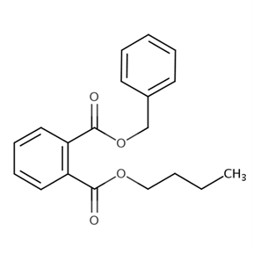

CASRNs: 85-68-7

December 2025

