Cover Page
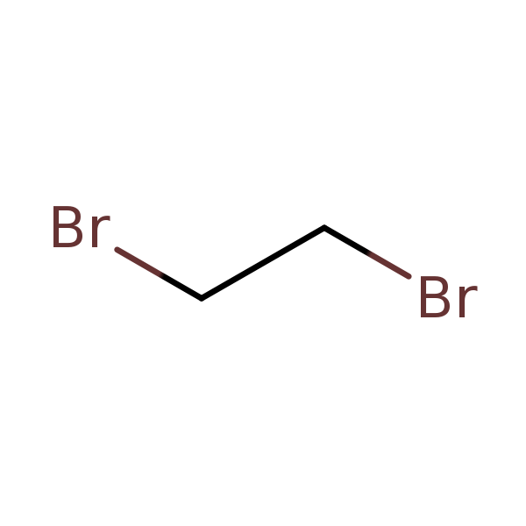
PUBLIC RELEASE DRAFT
June 2026

Draft Water Releases for Ethylene Dibromide

CASRN: 106-93-4

