Calculations
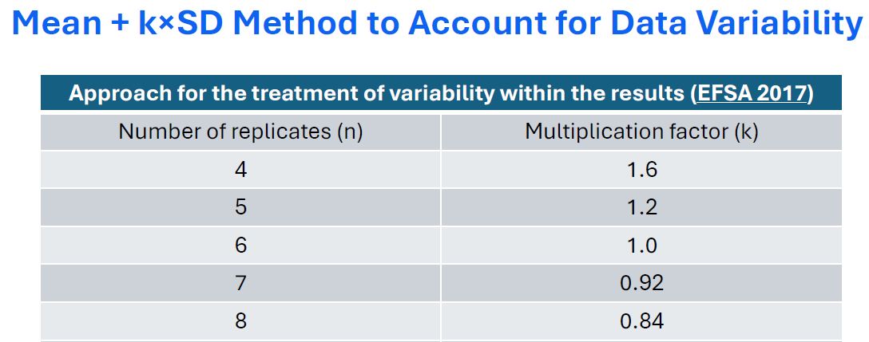
1,2-Dichloropropane (12 DCP) Percent Dermal Absorption Results

12 DCP Sample | Mean % Absorption | SD | % CV | N | Mass Balance Fraction | Mass Balance Corrected Mean | Excel T Test Confidence Interval | Excel T Test 95% UCL | Mass Balance Corrected Excel T Test 95% UCL | Mean + kxSD Method | Mass Balance Corrected Mean + kxSD Method | Rationale | Ratio of Missing Mass to Mean | Low Replicate Value | High Replicate Value
1% in IPM | 0.54 | 0.22 | 40.7 | 8 | 0.8889 | 0.607 | 0.1839 | 0.7239 | 0.8144 | 0.7248 | 0.8154 |  | 20.6 | 0.33 | 0.89
10% in IPM | 0.61 | 0.23 | 37.7 | 8 | 0.8917 | 0.684 | 0.1923 | 0.8023 | 0.8997 | 0.8032 | 0.9008 |  | 17.8 | 0.24 | 0.96
50% in IPM | 0.61 | 0.20 | 32.8 | 8 | 0.8874 | 0.687 | 0.1672 | 0.7772 | 0.8758 | 0.7780 | 0.8767 |  | 18.5 | 0.41 | 0.95
1% in HHN | 0.89 | 0.35 | 39.3 | 8 | 1.0195 | 0.873 | 0.2926 | 1.1826 | 1.1600 | 1.1840 | 1.1614 | Use mass balance corrected Mean + kxSD value: High % CV so corrected for variability, Good N, Mass balance over 100% so corrected to 100% recovery | NA | 0.49 | 1.5
10% in HHN | 0.89 | 0.27 | 30.3 | 8 | 1.0202 | 0.872 | 0.2257 | 1.1157 | 1.0936 | 1.1168 | 1.0947 | Use mass balance corrected Mean + kxSD value: High % CV so corrected for variability, Good N, Mass balance over 100% so corrected to 100% recovery | NA | 0.53 | 1.32
50% in HHN | 1.02 | 0.48 | 47.1 | 8 | 0.9177 | 1.111 | 0.4013 | 1.4213 | 1.5488 | 1.4232 | 1.5508 | Use mass balance corrected Mean + kxSD value: Mass balance is less than 95% and absorption is less than 5%, Missing mass is 8.1 fold the absorption so correction is appropriate, High %CV, Good N | 8.1 | 0.38 | 1.84
Neat, 100% 12 DCP | 1.08 | 0.61 | 56.5 | 8 | 0.9092 | 1.188 | 0.5100 | 1.5900 | 1.7488 | 1.5924 | 1.7514 | Use mass balance corrected Mean + kxSD value: Mass balance is less than 95% and absorption is less than 5%, Missing mass is 8.4 fold the absorption so correction is appropriate, High %CV, Good N | 8.4 | 0.54 | 1.94

 | UCL is the 95% upper confidence level; The Excel T Test 95% UCL is based on the Excel T Test confidence interval function with results slightly higher than the Excel Norm 95% UCL method
 | Excel T Test 95% UCL = Mean + Excel T Test Confidence Interval
 | The Excel Inputs: Alpha is 0.05, SD is standard deviation, N is number of measurements
 | Mass Balance Corrected = Value/Mass Balance Fraction
 | IPM: Isopropyl Myristate; HHN: COU Heavy Hydro-treated Naphtha
 | N is 8 replicates for Mean and SD calculations; %CV is percent coefficient of variation

