Cover Page
PUBLIC RELEASE DRAFT
June 2026

Draft Import and Repackaging Release Model for Ethylene Dibromide

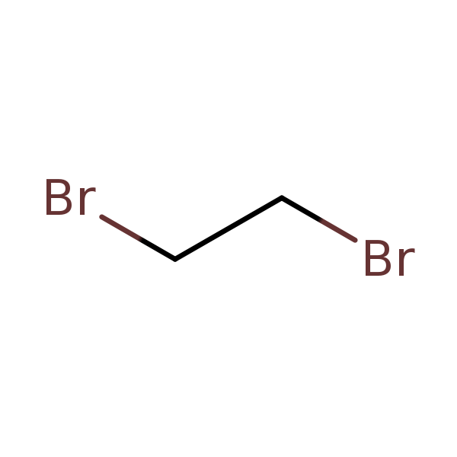
CASRN: 106-93-4

